按钮设置
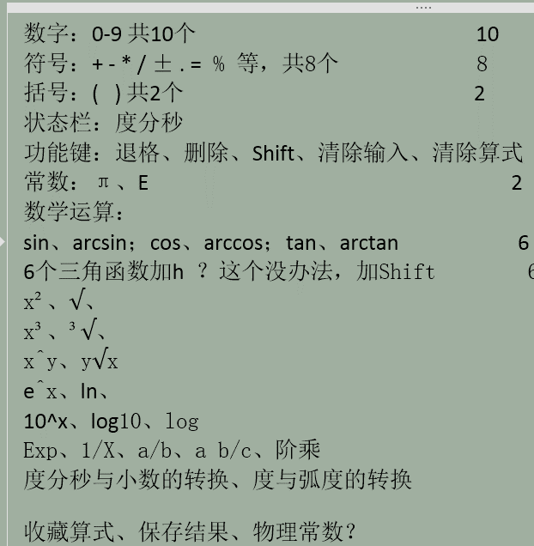
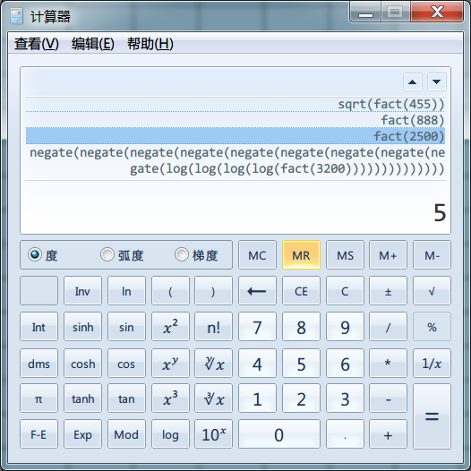

科学 | 编程 | 统计 | 常数 | 保存 | 待定 | FSE | DRG | Rad | Grad
Rand | π | e | e^x | ln | DMS | DMS- | a/b | 求余 | C
n! | nCr | nPr | 10^x | log10 | log | ( | ) | % | CE
sin | cos | tan | x² | √ | 7 | 8 | 9 | ÷ | 退格
arcsin | arccos | arctan | x³ | 3√x | 4 | 5 | 6 | × | delete
sinh | cosh | tanh | xy | y√x | 1 | 2 | 3 | - | 递归
sinh' | cosh' | tanh' | 1/x | Exp | 0 | ± | . | + | =

